Bio-oil values
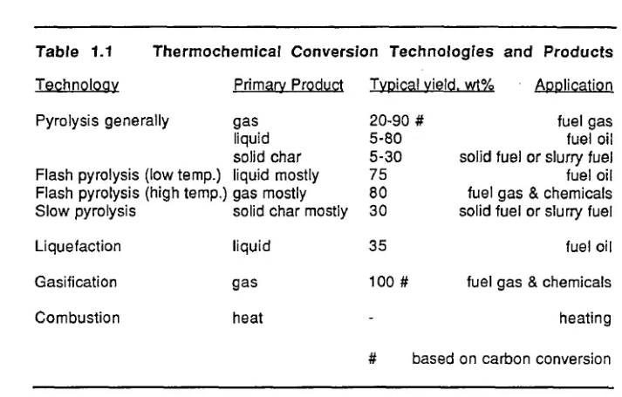
 |  | Elemental analysis | Elemental analysis | Elemental analysis | Elemental analysis | Elemental analysis | Elemental analysis | Elemental analysis | LHV(MJ/kg) | HHV(MJ/kg) | References | regionality | Measurement | Calculation
Bio-oil category | Bio-oil subcategory | Ash | Moisture | C | H | O | N | S
Wood: | Chips beech |  |  | 61.3 | 6.45 | 14.6 | 0.85 | 0.05 |  | 26.2 | [7] | Greece |  | TRUE
 | Alten |  |  | 61.9 | 6 | 29.5 | 1.05 | 0.03 |  | 26.3 | [7] | Italy |  | TRUE
 | BASA |  |  | 58.8 | 6.9 | 33.7 | 0.6 |  |  |  | [7] |  |  | TRUE
 | Laval |  |  | 49.9 | 7 | 43 |  |  |  |  | [7] | Canada |  | TRUE
 | Waterloo |  |  | 54.7 | 6.4 | 38.9 |  |  |  | 16.3 | [7] | Canada |  | TRUE
 | Brockville poplar (Waterloo) |  |  | 54.7 | 6.9 | 38.4 |  |  |  | 23.2 | [18] | Canada | TRUE
 | White spruce (Waterloo) |  |  | 54 | 6.8 | 39.2 |  |  |  | 22.7 | [18] | Canada | TRUE
 | Red Maple (Waterloo) |  |  | 54.7 | 6.4 | 38.9 |  |  |  | 22.4 | [18] | Canada | TRUE
 | Ensyn |  |  | 56.4 | 6.2 | 37.1 | 0.2 | 0.01 |  | 23 | [7] | Canada |  | TRUE
 | Ensyn range |  |  | 55,3-63,5 | 5,2-7 | 39,43-28,98 | 0,07-0,39 | 0,00-0,05 |  | 22,1-24,3 | [18] | Canada | TRUE
 | GTRI |  |  | 39.5 | 7.5 | 52.6 | 0.1 | 0 |  | 24.3 | [18] | USA |  | TRUE
 | Typical Wood values |  |  | 56.4 | 6.2 | 37.3 | 0.1 | 0 |  | 16-19 | [18] |  |  | TRUE
 | Fir/spruce (ENEL) |  |  | 55.4 | 8.4 | 35.3 | 0.6 | 0.01 |  | 23 | [18] | Italy | TRUE
 | Poplar (NREL wet basis) |  |  | 46.5 | 7.2 | 46.1 | 0.15 | 0 |  | 18.6 | [18] | USA | TRUE
 | Poplar (NREL drybasis) |  |  | 57.3 | 6.3 | 6.3 | 0.18 | 0 |  | 23 | [18] | USA | TRUE
 | Poplar |  |  | 38.5 | 7.8 | 53.4 | 0.3 |  |  | 17 | [23] |  |  | TRUE
 | Pine |  |  | 45.7 | 4 | 47 | 0.1 |  |  | 19.27 | [23] |  |  | TRUE
 | Forestry residues |  |  | 61.9 | 6 | 14.92 | 1.05 | 0.03 |  | 26.2 | [7] | Greece |  | TRUE
 | Fir |  |  | 58.12 | 6.55 | 34.81 | 0.52 |  |  | 22.2 | [18] | Netherlands (maybe China) | TRUE
 | Beech |  |  | 55.1 | 7.2 | 35.1 | 2 | 0.6 |  | 20.9 | [18] | Netherlands (maybe China) | TRUE
 | Poplar mix (NREL 160) | 0.005 | 29.7 | 64.4 | 7 | 28.3 | 0.3 |  | 17.2 | 19 | [25] | USA | TRUE
 | Poplar mix (NREL 174) | 0.001 | 27.2 | 59.3 | 6.6 | 33.8 | 0.19 |  | 15.8 | 17.5 | [25] | USA | TRUE
 | Poplar mix (NREL 175) | 0.001 | 20.6 | 57.1 | 6.6 | 36.3 | 0.04 | 0.04 | 16 | 17.6 | [25] | USA | TRUE
 | Poplar mix |  |  | 49 | 6 | 44.1 | 0.1 | 0.03 | 18.2 | 19.5 | [25] | USA |  | TRUE
 | Poplar mix (M2-6) | 0.016 | 18.9 | 45.8 | 5.3 | 28.9 | 0.25 | 0.03 | 17.3 | 18.9 | [25] | USA | TRUE
 | Poplar mix (M2-7) | 0.016 | 19.6 | 47.4 | 5.3 | 27.5 | 0.13 | 0.02 | 17.5 | 19.2 | [25] | USA | TRUE
 | Poplar mix (M2-8) | 0.018 | 20 | 45.6 | 5.4 | 29 | 0.05 | 0.02 | 16.6 | 18.5 | [25] | USA | TRUE
 | Poplar mix (M2-9) | 0.018 | 19.6 | 47 | 5.1 | 28.1 | 0.09 | 0.04 | 17.5 | 19.1 | [25] | USA | TRUE
 | Poplar mix (M2-10) | 0.007 | 16.8 | 48.1 | 5.3 | 29.6 | 0.14 | 0.04 | 17.3 | 18.8 | [25] | USA | TRUE
 | Mix of softwood and hardwood |  |  | 50.2 | 7.1 | 42.7 | 0 | 0 |  | 19 | [18] | Germany | TRUE
 | Arbutus Unedo |  |  | 63.2 | 6.7 | 30.1 |  |  | 26.2 |  | [7] | Greece | TRUE |  |  |  | Wait to look at this for now
Agricultural wastes | Soybean cake |  |  | 67.17 | 9 | 13.06 | 10.78 |  |  |  | [8] | Turkey | TRUE
 | Olive oil |  |  | 67.9 | 8.7 | 21.7 | 1.7 |  |  | 31.6 | [3] |  | TRUE
 | Cotton stalk 2 |  |  | 42.3 | 7.9 | 49.4 | 0.3 | 0.2 |  |  | [2] |  | TRUE
 | DDGS (1 bar) |  |  |  |  |  | 2.1826 |  |  | 34.14 | [11]
 | DDGS (5 bar) |  |  |  |  |  | 2.1011 |  |  | 34.28 | [11]
 | DDGS (10 bar) |  |  |  |  |  | 0.8725 |  |  | 34.44 | [11]
 | Canola (1 bar) |  |  |  |  |  | 10.8732 |  |  | 34.75 | [11]
 | Canola (5 bar) |  |  |  |  |  | 6.6935 |  |  | 34.98 | [11]
 | Canola (10 bar) |  |  |  |  |  | 3.7324 |  |  | 35.34 | [11]
 | Rice straw |  |  | 32.73 | 5.56 | 60.54 | 0.98 |  |  | 10.75 | [23] |  |  | TRUE
 | Corn stover |  |  | 53.97 | 6.92 | 37.94 | 1.18 |  |  | 22.1 | [23] |  |  | TRUE
 | Coconut shell |  |  | 59.14 | 5.47 | 30.84 | 4.21 |  |  | 19.75 | [23] |  |  | TRUE
 | Palm shell (bottom layer) |  |  | 61.15 | 9.07 | 28.7 | 1.09 |  |  | 29.61 | [10] | Malaysia | TRUE
 | EFB (bottom layer) |  |  | 66.75 | 9.32 | 22.23 | 1.71 |  |  | 32.6 | [10] | Malaysia | TRUE
 | Mesocarp fiber (bottom layer) |  |  | 58.93 | 8.67 | 31.73 | 0.69 |  |  | 27.97 | [10] | Malaysia | TRUE
 | Palm shell (upper layer) |  |  | 15.1 | 9.08 | 75.68 | 0.15 |  |  | 10.49 | [10] | Malaysia | TRUE
 | EFB (upper layer) |  |  | 14.97 | 12.03 | 72.3 | 0.72 |  |  | 14.78 | [10] | Malaysia | TRUE
 | Mesocarp fiber (upper layer) |  |  | 15.29 | 10.18 | 74.01 | 0.54 |  |  | 12.18 | [10] | Malaysia | TRUE
 | Pommegranate 1 (W/O catalyst) |  |  | 71.96 | 8.09 | 17.26 | 2.66 |  |  | 32.9 | [9] | Turkey | TRUE
 | Pommegranate 2 (w. catalyst) |  |  | 74.94 | 8.4 | 13.73 | 2.93 |  |  | 35 | [9] | Turkey | TRUE
 | Grape marc 1 (w/o catalyst) |  |  | 69.28 | 7.82 | 20.57 | 2.33 |  |  | 31.01 | [9] | Turkey | TRUE
 | Grape marc 2 (w. catalyst) |  |  | 72.05 | 8.22 | 16.76 | 2.97 |  |  | 33.21 | [9] | Turkey | TRUE
Residues and wastes: | Sesame stalk |  |  | 61.69 | 7.96 | 29.37 | 0.98 |  |  | 27 | [4] |  | TRUE
 | Grape seed (conventional |  |  | 73.9 | 9.2 | 14.3 | 2.5 |  |  | 36.8 | [12] | Spain | TRUE
 | Grape seed (catalytic pyrolysis) |  |  | 69.6 | 10.5 | 16.6 | 3.1 |  |  | 34.9 | [12] | Spain | TRUE |  | Need help with this table
 | Sewage sludge, agricultural wastes and MSW |  |  | 72.62 | 10.75 | 15.06 | 1.27 | 0.24 |  |  | [18] | Germany | TRUE |  | Do we need to think about
 | Raw tobacco |  |  | 75.07 | 9.15 | 11.84 | 3.8 | 0.14 |  | 30.05 | [20] | Thailand | TRUE |  | Pentane, Toluene, Methanol oil fractions as well | From ref [4]
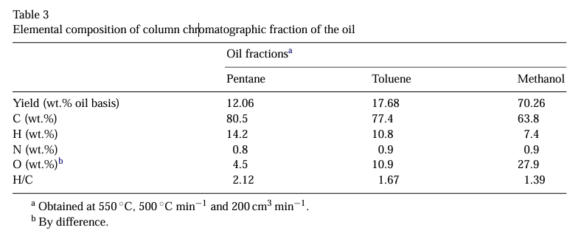
 | Chestnut cupulae |  |  | 62.25 | 6.39 | 30.18 | 1.18 |  |  | 25.352 | [21] | Turkey |  | TRUE
 | Larch bark |  |  | 51.2 | 6.1 | 42.3 | 0.4 |  |  | 19.6 | [23] |  |  | TRUE
 | Maple fruit |  |  | 68.26 | 7.77 | 16.39 | 7.58 |  |  | 31.491 | [21] | Turkey |  | TRUE
Grass | Napier grass |  |  | 56.41 | 6.42 | 71.28 | 2.16 | 1.11 |  | 19.79 | [22] | Thailand | TRUE
 | Switch grass |  |  | 44.4 | 8.1 | 47.1 | 0.4 |  |  | 14 | [23] |  |  | TRUE
Aquatic
 | Algae |  |  | 61.52 | 8.5 | 20.19 | 9.79 |  |  | 29 | [23] |  |  | TRUE
Other | Thorny bamboo |  |  | 27.41 | 8.72 | 63.42 | 0.45 |  |  | 13.92 | [23] |  |  | TRUE

